Daily Power Station Chart_15-01
Plant_02/03/2025Chart

Plant:odco1 |  |  | Installed Capacity:111.180kWp
Today Yield(kWh):516.100kWh |  | Today Earning:206440.000TND |  | Today Full Load Hours(h):4.64h

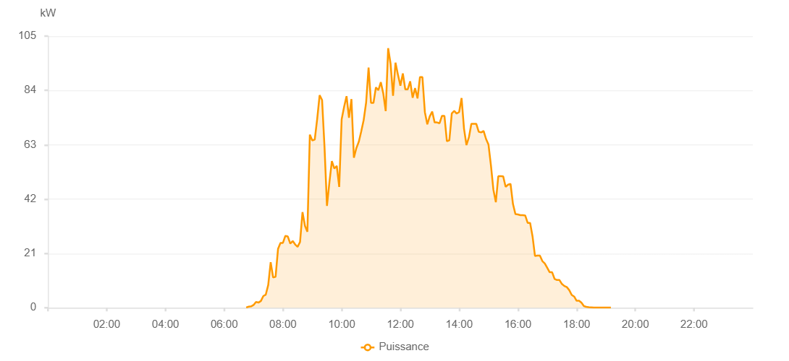

Number | Time | Working State | PV(W) | Instantaneous Radiation(W/㎡)
1 | 07:00:00 | Online | 20.00000 | 0
2 | 07:05:00 | Online | 490.00000 | 0
3 | 07:10:00 | Online | 680.00000 | 1.00000
4 | 07:15:00 | Online | 1670.00000 | 8.00000
5 | 07:20:00 | Online | 2050.00000 | 13.00000
6 | 07:25:00 | Online | 2620.00000 | 30.00000
7 | 07:30:00 | Online | 4420.00000 | 30.00000
8 | 07:35:00 | Online | 4860.00000 | 39.00000
9 | 07:40:00 | Online | 5340.00000 | 47.00000
10 | 07:45:00 | Online | 5000.00000 | 45.00000
11 | 07:50:00 | Online | 4870.00000 | 42.00000
12 | 07:55:00 | Online | 4870.00000 | 41.00000
13 | 08:00:00 | Online | 5380.00000 | 41.00000
14 | 08:05:00 | Online | 6850.00000 | 46.00000
15 | 08:10:00 | Online | 8950.00000 | 58.00000
16 | 08:15:00 | Online | 16040.00000 | 94.00000
17 | 08:20:00 | Online | 19130.00000 | 148.00000
18 | 08:25:00 | Online | 21120.00000 | 148.00000
19 | 08:30:00 | Online | 25150.00000 | 231.00000
20 | 08:35:00 | Online | 28700.00000 | 368.00000
21 | 08:40:00 | Online | 30850.00000 | 368.00000
22 | 08:45:00 | Online | 47760.00000 | 406.00000
23 | 08:50:00 | Online | 50390.00000 | 406.00000
24 | 08:55:00 | Online | 52200.00000 | 493.00000
25 | 09:00:00 | Online | 54050.00000 | 493.00000
26 | 09:05:00 | Online | 54800.00000 | 585.00000
27 | 09:10:00 | Online | 52890.00000 | 585.00000
28 | 09:15:00 | Online | 46080.00000 | 401.00000
29 | 09:20:00 | Online | 43750.00000 | 277.00000
30 | 09:25:00 | Online | 42950.00000 | 233.00000
31 | 09:30:00 | Online | 30170.00000 | 220.00000
32 | 09:35:00 | Online | 27460.00000 | 253.00000
33 | 09:40:00 | Online | 42930.00000 | 253.00000
34 | 09:45:00 | Online | 50480.00000 | 578.00000
35 | 09:50:00 | Online | 69900.00000 | 620.00000
36 | 09:55:00 | Online | 44530.00000 | 620.00000
37 | 10:00:00 | Online | 44580.00000 | 285.00000
38 | 10:05:00 | Online | 46460.00000 | 567.00000
39 | 10:10:00 | Online | 62450.00000 | 567.00000
40 | 10:15:00 | Online | 51780.00000 | 545.00000
41 | 10:20:00 | Online | 39670.00000 | 545.00000
42 | 10:25:00 | Online | 37120.00000 | 317.00000
43 | 10:30:00 | Online | 37410.00000 | 322.00000
44 | 10:35:00 | Online | 40850.00000 | 322.00000
45 | 10:40:00 | Online | 62780.00000 | 326.00000
46 | 10:45:00 | Online | 50610.00000 | 780.00000
47 | 10:50:00 | Online | 37140.00000 | 326.00000
48 | 10:55:00 | Online | 41630.00000 | 363.00000
49 | 11:00:00 | Online | 42550.00000 | 363.00000
50 | 11:05:00 | Online | 42030.00000 | 360.00000
51 | 11:10:00 | Online | 41430.00000 | 352.00000
52 | 11:15:00 | Online | 46940.00000 | 469.00000
53 | 11:20:00 | Online | 65720.00000 | 630.00000
54 | 11:25:00 | Online | 82540.00000 | 936.00000
55 | 11:30:00 | Online | 80830.00000 | 936.00000
56 | 11:35:00 | Online | 79800.00000 | 886.00000
57 | 11:40:00 | Online | 96180.00000 | 886.00000
58 | 11:45:00 | Online | 96230.00000 | 878.00000
59 | 11:50:00 | Online | 96220.00000 | 879.00000
60 | 11:55:00 | Online | 95310.00000 | 836.00000
61 | 12:00:00 | Online | 81540.00000 | 863.00000
62 | 12:05:00 | Online | 86520.00000 | 836.00000
63 | 12:10:00 | Online | 86520.00000 | 755.00000
64 | 12:15:00 | Online | 92310.00000 | 836.00000
65 | 12:20:00 | Online | 97480.00000 | 877.00000
66 | 12:25:00 | Online | 96490.00000 | 877.00000
67 | 12:30:00 | Online | 95180.00000 | 889.00000
68 | 12:35:00 | Online | 92830.00000 | 863.00000
69 | 12:40:00 | Online | 93240.00000 | 846.00000
70 | 12:45:00 | Online | 93340.00000 | 844.00000
71 | 12:50:00 | Online | 92920.00000 | 828.00000
72 | 12:55:00 | Online | 92920.00000 | 832.00000
73 | 13:00:00 | Online | 92280.00000 | 828.00000
74 | 13:05:00 | Online | 91170.00000 | 828.00000
75 | 13:10:00 | Online | 86990.00000 | 808.00000
76 | 13:15:00 | Online | 60950.00000 | 389.00000
77 | 13:20:00 | Online | 89770.00000 | 801.00000
78 | 13:25:00 | Online | 89770.00000 | 801.00000
79 | 13:30:00 | Online | 85590.00000 | 329.00000
80 | 13:35:00 | Online | 88260.00000 | 755.00000
81 | 13:40:00 | Online | 61670.00000 | 304.00000
82 | 13:45:00 | Online | 86250.00000 | 304.00000
83 | 13:50:00 | Online | 81330.00000 | 722.00000
84 | 13:55:00 | Online | 81330.00000 | 755.00000
85 | 14:00:00 | Online | 81040.00000 | 722.00000
86 | 14:05:00 | Online | 81040.00000 | 727.00000
87 | 14:10:00 | Online | 80580.00000 | 727.00000
88 | 14:15:00 | Online | 75540.00000 | 693.00000
89 | 14:20:00 | Online | 67440.00000 | 693.00000
90 | 14:25:00 | Online | 72860.00000 | 669.00000
91 | 14:30:00 | Online | 72710.00000 | 670.00000
92 | 14:35:00 | Online | 71750.00000 | 670.00000
93 | 14:40:00 | Online | 69180.00000 | 654.00000
94 | 14:45:00 | Online | 67160.00000 | 641.00000
95 | 14:50:00 | Online | 65160.00000 | 624.00000
96 | 14:55:00 | Online | 64700.00000 | 421.00000
97 | 15:00:00 | Online | 64580.00000 | 364.00000
98 | 15:05:00 | Online | 60430.00000 | 591.00000
99 | 15:10:00 | Online | 57150.00000 | 591.00000
100 | 15:15:00 | Online | 54300.00000 | 532.00000
101 | 15:20:00 | Online | 53330.00000 | 469.00000
102 | 15:25:00 | Online | 52210.00000 | 495.00000
103 | 15:30:00 | Online | 49830.00000 | 495.00000
104 | 15:35:00 | Online | 48520.00000 | 469.00000
105 | 15:40:00 | Online | 47260.00000 | 449.00000
106 | 15:45:00 | Online | 46620.00000 | 434.00000
107 | 15:50:00 | Online | 42650.00000 | 434.00000
108 | 15:55:00 | Online | 39860.00000 | 421.00000
109 | 16:00:00 | Online | 35640.00000 | 364.00000
110 | 16:05:00 | Online | 21730.00000 | 304.00000
111 | 16:10:00 | Online | 15010.00000 | 46.00000
112 | 16:15:00 | Online | 11560.00000 | 93.00000
113 | 16:20:00 | Online | 11730.00000 | 102.00000
114 | 16:25:00 | Online | 11540.00000 | 102.00000
115 | 16:30:00 | Online | 14480.00000 | 265.00000
116 | 16:35:00 | Online | 17310.00000 | 146.00000
117 | 16:40:00 | Online | 12700.00000 | 146.00000
118 | 16:45:00 | Online | 12640.00000 | 146.00000
119 | 16:50:00 | Online | 11790.00000 | 112.00000
120 | 16:55:00 | Online | 10310.00000 | 89.00000
121 | 17:00:00 | Online | 10310.00000 | 68.00000
122 | 17:05:00 | Online | 5880.00000 | 49.00000
123 | 17:10:00 | Online | 5880.00000 | 49.00000
124 | 17:15:00 | Online | 6140.00000 | 46.00000
125 | 17:20:00 | Online | 8940.00000 | 53.00000
126 | 17:25:00 | Online | 8780.00000 | 37.00000
127 | 17:30:00 | Online | 8500.00000 | 56.00000
128 | 17:35:00 | Online | 7600.00000 | 55.00000
129 | 17:40:00 | Online | 7440.00000 | 43.00000
130 | 17:45:00 | Online | 7440.00000 | 42.00000
131 | 17:50:00 | Online | 4980.00000 | 37.00000
132 | 17:55:00 | Online | 3920.00000 | 37.00000
133 | 18:00:00 | Online | 3470.00000 | 37.00000
134 | 18:05:00 | Online | 2930.00000 | 8.00000
135 | 18:10:00 | Online | 2900.00000 | 8.00000
136 | 18:15:00 | Online | 2650.00000 | 8.00000
137 | 18:20:00 | Online | 250.00000 | 3.00000
138 | 18:25:00 | Online | 130.00000 | 0
139 | 18:30:00 | Online | 150.00000 | 0
140 | 18:35:00 | Online | 80.00000 | 0
141 | 18:40:00 | Online | 80.00000 | 0
142 | 18:45:00 | Online | 40.00000 | 0
143 | 18:50:00 | Online | 70.00000 | 0
144 | 18:55:00 | Online | 40.00000 | 0
145 | 19:00:00 | Online | 40.00000 | 0
146 | 19:05:00 | Online | 40.00000 | 0
147 | 19:10:00 | Online | 40.00000 | 0
148 | 19:30:00 | Online | 0.00001 | 0.00001
149 | 20:20:00 | Online | 0.00001 | 0.00001

